FILE PERMISSION COMMANDS
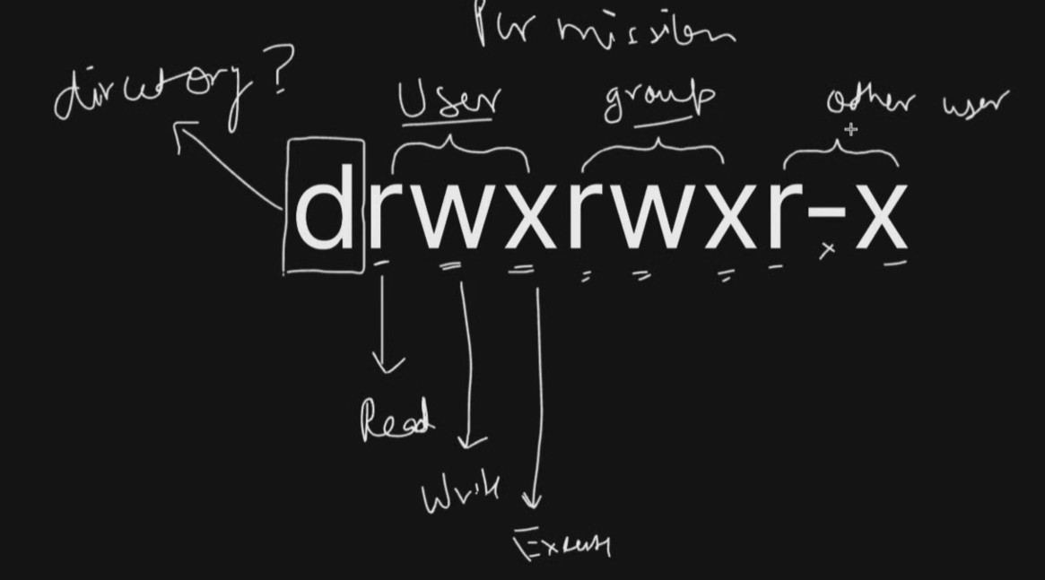
LINUX COMMANDS | DETAILS | SAMPLE CODE
chmod | it changes the permission to read, write, execute | chmod 777 file.txt
ls -l | SHOW DIRECTORIES AND FILES AND PERMISSIONS |  | yellow indicates same information in different cells
umask | it shows by default user file permisions
chown | change ownership of file or anything | sudo chown waleed file.txt
chgrp | it changes the group of the files or anything | sudo chgrp devops file1.txt
zip | it zip the files or folders | zip -r linux1.zip linux
unzip | it unzips all the folders | unzip linux2.zip

